UserGuide
User Guide
START NOW
Workflow Overview
1. At 5PM EST, US Trader is about to leave the office. Before he/she leaves the office, he/she uses REDI Excel API to schedule
orders with European symbols (i.e. VOD.L) to be sent out to his/her broker in London at 2AM EST (7AM GMT)
2. REDI Excel API waits until 2 AM EST / 7AM GMT and sends the orders to REDI backend
3. UK broker receives orders at 7AM GMT

2
REDIPlus API

3
US - 02:00 AM EST
UK - 07:00 AM GMT
REDI Backend
UK Broker

US - 05:00 PM EST
UK - 09:00 PM GMT

1
US Trader

Order Scheduler Configuration
1. Fill out Order Scheduler Configuration
+ Select 'Asset Class'. This action will get list of entitled broker destinations and accounts
+ Select 'Destination'
+ Select 'Account'
+ Select 'Order Send Time' (Please note this is your PC's local time)
2. Fill out 'Order List' table with all order details
3. Click 'Schedule Orders'

1
2
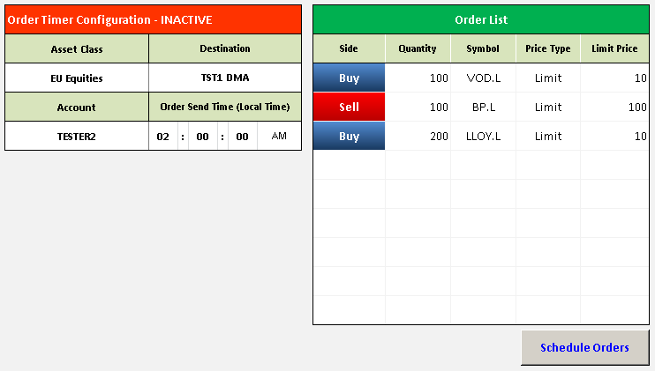

3

Monitoring the Order Flow
1. Orders will wait until the schedule d time.
2. Orders will be sent out automatically when time reached, and user can monitor the flow next day.

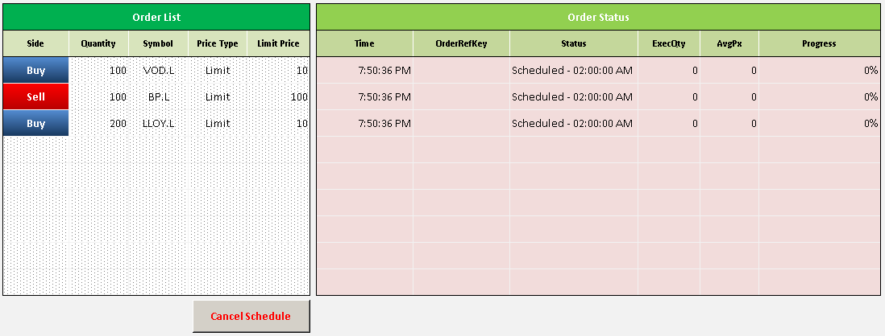
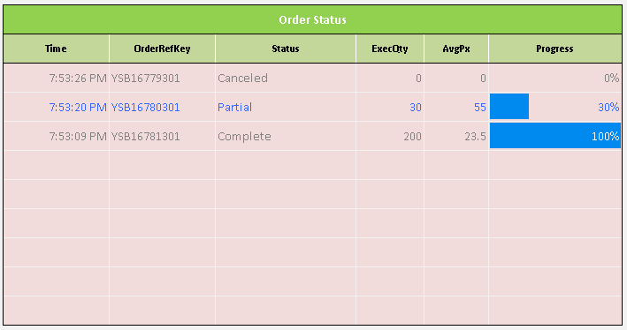

1

2

Cancel Schedule & New Schedule
1. Cancel Schedule: User can cancel the schedule before orders are sent out
2. New Schedule: User can set up a new schedule after orders are sent out

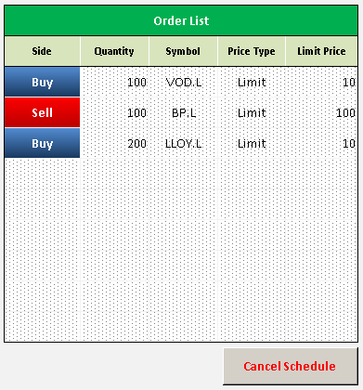


1
2

REDIOrderList
Trading Tool | Order Scheduler
Order Timer Configuration - INACTIVE |  |  |  |  |  |  | Order List |  |  |  |  | Order Status
Asset Class | Destination |  |  |  |  |  | Side | Quantity | Symbol | Price Type | Limit Price | Time | OrderRefKey | Status | ExecQty | AvgPx | Progress
US Equities | DEMO DMA |  |  |  |  |  | Buy | 1000 | GOOG | Limit | 10
Account | Order Send Time (Local Time) |  |  |  |  |  | Sell | 2000 | GOOG | Limit | 1000
EQUITY-TR | 11 | : | 41 | : | 30 | AM | Buy | 3000 | CSCO | Limit | 10

REDISettings
Order Entry Settings
Account | Side | Destinations | Price Type | TIF | User | Hour | Minute | Second | AM/PM | Asset Class
EQUITY-TR | Buy | *ticket | Limit | Day | r151681 | 01 | 00 | 00 | AM | US Equities
 | Sell | DEMO algo | Limit Close |  |  | 02 | 01 | 01 | PM | EU Equities
 | Sell Short | DEMO DMA | Market Close |  |  | 03 | 02 | 02
 |  |  | Stop |  |  | 04 | 03 | 03
 |  |  | Stop Limit |  |  | 05 | 04 | 04
 |  |  | Market |  |  | 06 | 05 | 05
 |  |  | Invalid |  |  | 07 | 06 | 06
 |  |  |  |  |  | 08 | 07 | 07
 |  |  |  |  |  | 09 | 08 | 08
 |  |  |  |  |  | 10 | 09 | 09
 |  |  |  |  |  | 11 | 10 | 10
 |  |  |  |  |  | 12 | 11 | 11
 |  |  |  |  |  |  | 12 | 12
 |  |  |  |  |  |  | 13 | 13
 |  |  |  |  |  |  | 14 | 14
 |  |  |  |  |  |  | 15 | 15
 |  |  |  |  |  |  | 16 | 16
 |  |  |  |  |  |  | 17 | 17
 |  |  |  |  |  |  | 18 | 18
 |  |  |  |  |  |  | 19 | 19
 |  |  |  |  |  |  | 20 | 20
 |  |  |  |  |  |  | 21 | 21
 |  |  |  |  |  |  | 22 | 22
 |  |  |  |  |  |  | 23 | 23
 |  |  |  |  |  |  | 24 | 24
 |  |  |  |  |  |  | 25 | 25
 |  |  |  |  |  |  | 26 | 26
 |  |  |  |  |  |  | 27 | 27
 |  |  |  |  |  |  | 28 | 28
 |  |  |  |  |  |  | 29 | 29
 |  |  |  |  |  |  | 30 | 30
 |  |  |  |  |  |  | 31 | 31
 |  |  |  |  |  |  | 32 | 32
 |  |  |  |  |  |  | 33 | 33
 |  |  |  |  |  |  | 34 | 34
 |  |  |  |  |  |  | 35 | 35
 |  |  |  |  |  |  | 36 | 36
 |  |  |  |  |  |  | 37 | 37
 |  |  |  |  |  |  | 38 | 38
 |  |  |  |  |  |  | 39 | 39
 |  |  |  |  |  |  | 40 | 40
 |  |  |  |  |  |  | 41 | 41
 |  |  |  |  |  |  | 42 | 42
 |  |  |  |  |  |  | 43 | 43
 |  |  |  |  |  |  | 44 | 44
 |  |  |  |  |  |  | 45 | 45
 |  |  |  |  |  |  | 46 | 46
 |  |  |  |  |  |  | 47 | 47
 |  |  |  |  |  |  | 48 | 48
 |  |  |  |  |  |  | 49 | 49
 |  |  |  |  |  |  | 50 | 50
 |  |  |  |  |  |  | 51 | 51
 |  |  |  |  |  |  | 52 | 52
 |  |  |  |  |  |  | 53 | 53
 |  |  |  |  |  |  | 54 | 54
 |  |  |  |  |  |  | 55 | 55
 |  |  |  |  |  |  | 56 | 56
 |  |  |  |  |  |  | 57 | 57
 |  |  |  |  |  |  | 58 | 58
 |  |  |  |  |  |  | 59 | 59

Disclaimer
Disclaimer
REDI Global Technologies LLC (member FINRA), REDI Technologies Limited (FCA #612490) and their affiliates (collectively, “REDI”) may make available application programming interface (“API”) specifications, including sample code, for use solely in connection with a user’s internal non-commercial development purposes, in accordance with a user’s agreement with REDI and this REDI API Specification document. No right, title or interest is granted in or to the API specifications and user agrees at all times to treat these materials in a confidential and secure manner. By utilizing API specifications provided by REDI, the user of the API specifications understands that use of such specifications may affect live trading. The user of the API specifications assumes all responsibility for any action, or lack thereof, taken in a live trading environment including but not limited to execution of orders, cancellation of orders, modification of orders, analysis of market data, or the calculation of any position, order, complex order, or spread. The API specifications are provided on an “as is” basis and without warranty of any kind. REDI specifically disclaims all warranties for use of API specifications, express or implied, including implied warranties of merchantability, fitness for a particular purpose, title, infringement, and operation of the API specifications with the REDIPlus System. REDI does not warrant that use of the API specifications will be uninterrupted, error-free, timely, complete, accurate or that defects in the foregoing can or will be corrected. REDI does not make any warranties as to the results to be obtained from use of the API specifications and use of the API specifications and any reliance thereon is at the user’s sole risk. No oral or written information or advice given by REDI shall create any warranties or in any way increase the scope of REDI’s obligations. This document has been prepared for informational purposes only. Except as otherwise expressly permitted herein, the modification, reformatting, copying, downloading, storing, reproduction, or retransmission of API specifications is prohibited. All materials and services provided to you by REDI are governed by the terms of any applicable agreements with REDI. IN NO EVENT WILL REDI OR ITS THIRD PARTY PROVIDERS BE LIABLE FOR ANY DAMAGES, INCLUDING WITHOUT LIMITATION DIRECT OR INDIRECT, SPECIAL, INCIDENTAL, OR CONSEQUENTIAL DAMAGES, LOSSES OR EXPENSES ARISING IN CONNECTION WITH API SPECICATIONS.

